8103dff
Tracking Commit | 8103dff

Tests | Passed | Tester Comments | Severity | Dev Comments
Code Flow | 0 | Fix Import statements order for better readability | P3(Minor) | fixed
Proper naming convention not followed | 0 | route.py, router.py? | P3(Minor) | left
Error Handeling not done in SQL connection , the connection can fail then?(the application can crash) | 0 | Sql connection may fail u need to handle this | P1(Critical) | fixed
Error Handeling not done in SQL connection , the connection can fail then?(the application can crash)(Same in callback route as well) | 0 | U might issue from google getting info | P1(Critical) | fixed
Session Error | 0 | Having issues in re login everytime the login page opens | P1(Critical) | Not sure, we will have to monitor this since there seems that is missing since sometimes the browser doesn't keeps the session_token with itself when the server dies(right know it is doing)

Developer comments- | The developer closed server and restrated the pc still can the cookie in the brower tools(even now u can see the server is close but still can c the cookie)
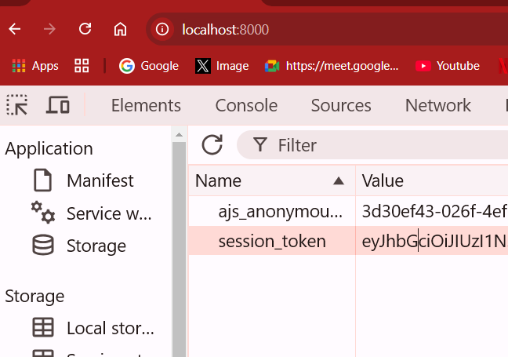
 |  |  |  | This is the token expiry time(which is correct this the token will stay)

